1. Title Page
Instacart Grocery Basket Analysis

Project Name: Instacart Grocery Basket Analysis
Date: 19 July 2023
Analyst Name: Natalia Violi Kristena Wijaya

Contents:
Population Flow
Consistency checks
Wrangling steps
Column derivations
Visualizations
Recommendations

Citation:
“The Instacart Online Grocery Shopping Dataset 2017”, Accessed from www.instacart.com/datasets/grocery-shopping-2017 via Kaggle on April, 17th 2023.

2. Population Flow
Title Page

Population flow

Exclusion flag
Condition: max_order < 5
Obervations to be removed:
Final total count of order_products_all: 32,404,859

Orders_products_combined
Orders_products_merged
Orders_products_all

Total: 32,434,489
Total: 32,404,859
Total: 32,404,859

1.) The grey boxes in the first row of the population flow represent the original data sets as they were when you downloaded them. In the Total fields you need to add the count of the rows when you imported the data set into Jupyter.
2.) The second row of boxes (coloured) represents the data sets after you manipulated them, e.g., removed missing values and duplicates. In the Total fields you need to add the count of the rows after conducting these operations. This offers a visual oveview of how the data flows throughout the data consistency checks.
3.) The third row, where also the arrows are coloured, represents the merges you performed between the datasets. In the Total fields you need to add the count of the rows in the merged datasets, so that you end up with the final dataset (in the red box). Keep in mind the final dataset should be without exclusions (based on the exclusion flag).

3. Consistency checks
 |  |  |  | Title Page
Consistency checks

Dataset | Missing values | Missing values treatment | Duplicates
orders | 206,209 missing values in 'days_since_prior_order' column | No treatment done because any user who has "NaN" as their days_since_prior_order will have "1" as their order number. This make sense since it was their first order, so they wouldn't have any prior orders and that's why they won't have any data showing how long it has been since the previous order. Maximum user id is 206,209 and total missing values for days_since_prior_order is also 206,209, meaning each user will have one NaN value located in their first order. | No duplicates found
products | 16 missing values in 'product_name' column | Removed rows from data set | 5 duplicates were removed
products | 'price' column | Found incredibly high prices (14.900 and 99.999). After conducting some analysis, I decided to replace the price '99.999' with '9.99' and impute the value '14.900' with the mean price from cottage_cheese
orders_products_prior | None | - | No duplicates found
customers | None | - | No duplicates found

4. Wrangling steps
 |  |  |  | Title Page
Wrangling steps

Columns dropped | Columns renamed | Columns' type changed | Comment/Reason
eval_set |  |  | Not needed for analysis
 | order_dow |  | Renamed to 'orders_day_of_week' for clarity
 |  | order_id | Changed to string
 | First Name |  | Renamed to 'first_name' to make it uniform
 | Surnam |  | Renamed to 'last_name' to make it uniform
 | Gender |  | Renamed to 'gender' to make it uniform
 | STATE |  | Renamed to 'state' to make it uniform
 | Age |  | Renamed to 'age' to make it uniform
 | n_dependants |  | Renamed to 'dependants_number' to make it uniform
 | fam_status |  | Renamed to 'family_status' to make it uniform
first_name |  |  | PII data security
last_name |  |  | PII data security

5. Column derivations
 |  |  |  | Title Page

Column derivations and aggregations

In this tab you should add tables below that the frequences of flags/label variables that you produced after deriving them. NB: don't do this for continuous variables, only for flags.
Dataset | New column | Column/s it was derived from | Conditions
orders_products_merged | price_range_loc | prices | if prices > 15: High-range product
 |  |  | if prices > 5 & prices <= 15: Mid-range product
 |  |  | if prices <= 5: Low-range product
orders_products_merged | busiest_day | orders_day_of_week | if orders_day_of_week == 0: Busiest day
 |  |  | if orders_day_of_week == 4: Least busy
 |  |  | else: Regularly busy
orders_products_merged | busiest_days | orders_day_of_week | if orders_day_of_week == 0 or orders_day_of_week == 1: Busiest days
 |  |  | if orders_day_of_week == 3 or orders_day_of_week == 4: Slowest days
 |  |  | else: Regularly days
orders_products_merged | busiest_period_of_day | order_hour_of_day | if order_hour_of_day in [10, 11, 14, 15, 13, 12, 16, 9]: Most orders
 |  |  | if order_hour_of_day in [23, 6, 0, 1, 5, 2, 4, 3]: Fewest orders
 |  |  | else: Average orders
orders_products_merged | loyalty_flag | max_order | if max_order > 40: Loyal customer
 |  |  | if max_order > 10 & max_order <= 40: Regular customer
 |  |  | if max_order <= 10: New customer
orders_products_merged | spending_flag | average_price | if average_price >= 10: High spender
 |  |  | if average_price < 10: Low spender
orders_products_merged | order_frequency_flag | median_prior_orders | if median_prior_orders <= 10: Frequent customer
 |  |  | if median_prior_orders > 10 & median_prior_orders <= 20: Regular customer
 |  |  | if median_prior_orders > 20: Non-frequent customer
orders_products_customers | region | state | if state in ['Maine', 'New Hampshire', 'Vermont', 'Massachusetts', 'Rhode Island', 'Connecticut', 'New York', 'Pennsylvania', 'New Jersey']: Northeast
 |  |  | if state in ['Wisconsin', 'Michigan', 'Illinois', 'Indiana', 'Ohio', 'North Dakota', 'South Dakota', 'Nebraska', 'Kansas', 'Minnesota', 'Iowa', 'Missouri']: Midwest
 |  |  | if state in ['Idaho', 'Montana', 'Wyoming', 'Nevada', 'Utah', 'Colorado', 'Arizona', 'New Mexico', 'Alaska', 'Washington', 'Oregon', 'California', 'Hawaii']: West
 |  |  | else: South
orders_products_customers | age_group | age | if age < 30: Less than 30 years
 |  |  | if age >= 30 & age < 40: 30-39 years
 |  |  | if age >=40 & age < 50: 40-49 years
 |  |  | if age >= 50 & age < 60: 50-59 years
 |  |  | if age >= 60 & age < 70: 60-69 years
 |  |  | else: 70+ years
orders_products_customers | income_group | income | if income < Q1: Low-income
 |  |  | if income >= Q1 & income < Q2: Moderate-income
 |  |  | if income >= Q2 & income < Q3: High-income
 |  |  | else: Wealthy
orders_products_customers | family_profile | dependants_number | if dependants_number == 0: Independent
 |  |  | else: Family

6. Visualizations
 |  |  |  |  |  |  | Title Page

Visualisations

In this tab you should include all the visualtions from Exercises 4.9 and 4.10, alongside the questions from the project brief that they answer. Include any commentary on the relationship between different variables.

Q1. The sales team needs to know what the busiest days of the week and hours of the day are (i.e., the days and times with the most orders) in order to schedule ads at times when there are fewer orders.

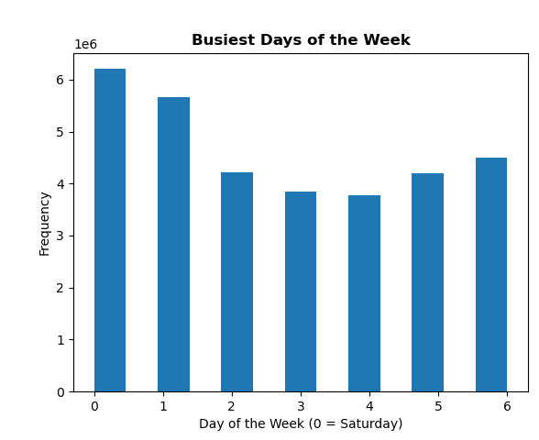
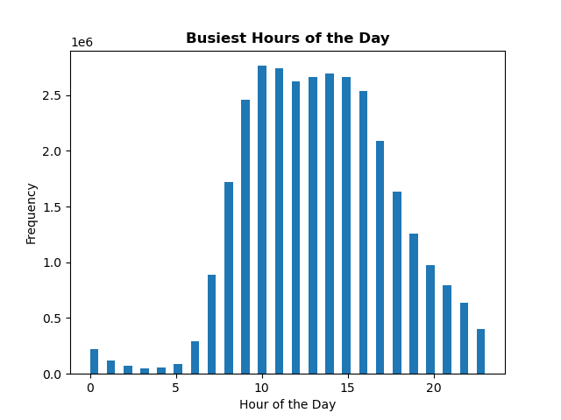
 |  |  | The bar chart shows the frequency of orders per day throughout the week. The busiest days are Friday (6), Saturday (0) and Sunday (1). The least busy days are Tuesday (3) and Wednesday (4). |  |  |  |  | The bar chart shows the order frequency per hour throughout the day. Orders start to get crowded at 09.00 AM to 04:00 PM (working hours) while the quiet hours are between 12.00 AM to 06.00 AM.

Q2. They also want to know whether there are particular times of the day when people spend the most money, as this might inform the type of products they advertise at these times.

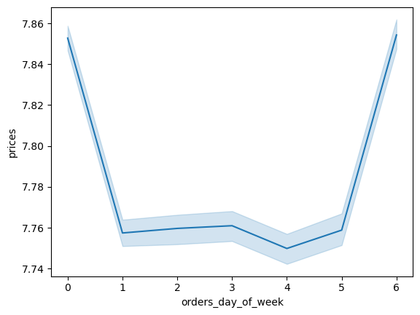
 |  |  | The line chart shows the average price of items purchased by day of the week. Even though the average price throughout the week is about the same (7.7 - 7.8), customers tend to spend more on their items during the busiest days: Friday, Saturday and Sunday. |  |  |  |  | The line chart shows the average price of items purchased per hour of the day. It shows that higher-priced items tend to sell earlier in the morning between 02:00 AM and 07:00 AM and lower prices around 09:00 AM and 10:00 AM. The error band between 02:00 AM and 07:00 AM is also larger, which indicates a variation in the selling price.
 | Average Price of Items Bought by Day of Week |  |  |  | Average Price of Items Bought by Hour of Day
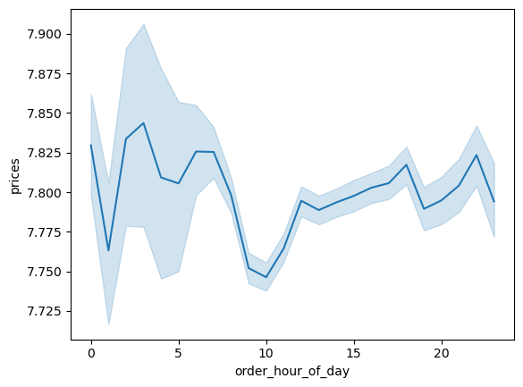

Q3. Instacart has a lot of products with different price tags. Marketing and sales want to use simpler price range groupings to help direct their efforts.

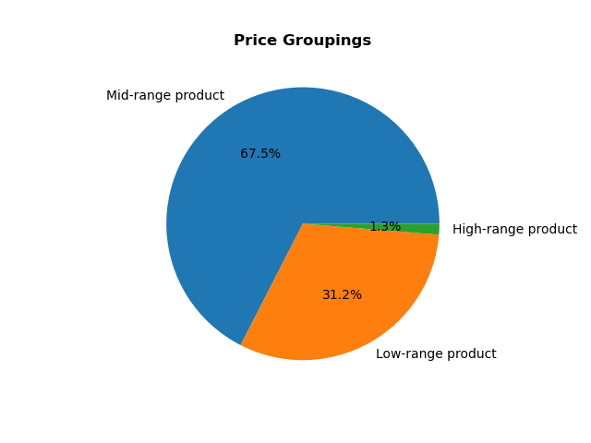
 |  |  | Price Groupings: Low-range product: $0.00 to $5.00 Mid-range product: $5.01 to $15.00 High-range product: $15.00 and above The price group is dominated by Mid-range product with 67.5% in total.

Q4. Are there certain types of products that are more popular than others? The marketing and sales teams want to know which departments have the highest frequency of product orders.

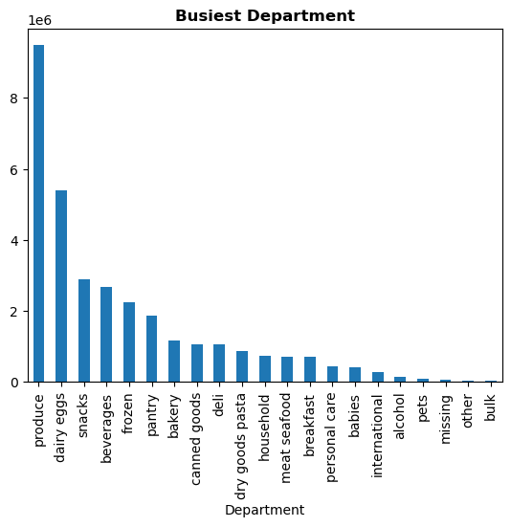
 |  |  | The bar chart shows the order frequency of each department. Produce, Dairy Eggs, Snacks are in high demand compared to other departments. In contrast, Missing, Other, and Bulk have the fewest orders compared to the others.

Q5. What’s the distribution among users in regards to their brand loyalty (i.e., how often do they return to Instacart)?

 |  |  | Loyalty Status: New Customer: Total orders are below 10 Regular Customer: Total orders are between 10 and 40 Loyal Customer: Total orders are above 40 Loyalty status is dominated by regular customers |  |  |  |  | How often do they return to Instacart? The bar chart shows where loyal customers have an average median prior orders of about 5 days and regular customers of about 9 days. Therefore, regular and loyal customers tend to return in a short time to buy other products.
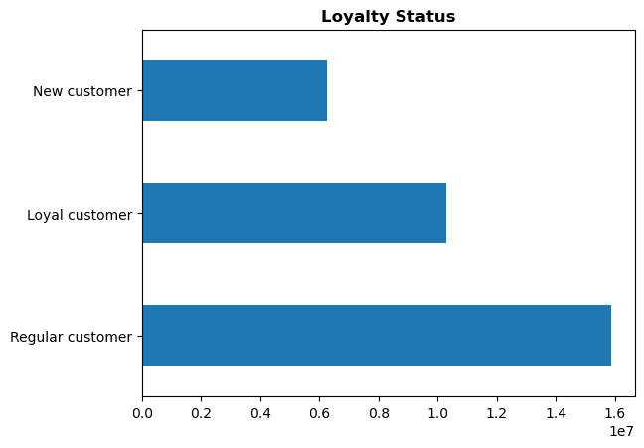
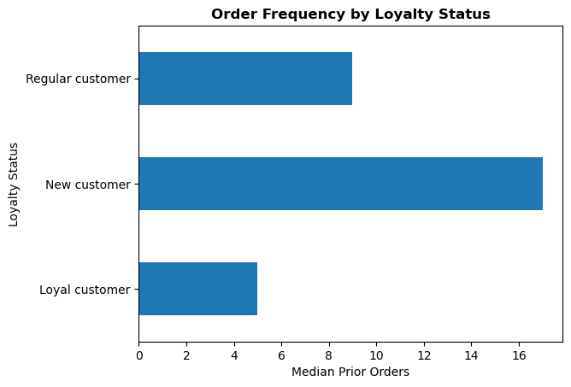

 |  |  | The bar chart confirms the previous chart where most of the frequent customers come from regular to loyal loyal status. Conversely, non-frequent customers come from customers with new status. Frequent customer: median from days_since_prior_order is less than 10 days Loyal customer: About 5 days Regular customer: About 9 days New customer: About 17 days
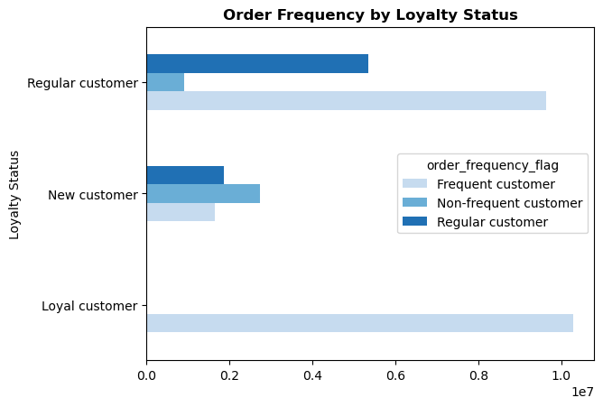

Q6. Are there differences in ordering habits based on a customer’s loyalty status?

 |  |  | It seems that loyalty status doesn't really affect customers' spending habits. The majority of customers from all loyalty statuses (new, regular, loyal) are dominated by low spender (meaning the average price of the product purchased by the user is lower than 10) |  |  |  |  | Low spender: 32,284,501 customers High spender: 120,358 customers Low spender: Average price purchased < $10.00 High spender: Average price purchased >= $10.00 Price description: Mean: $7.79 Max: $25.00
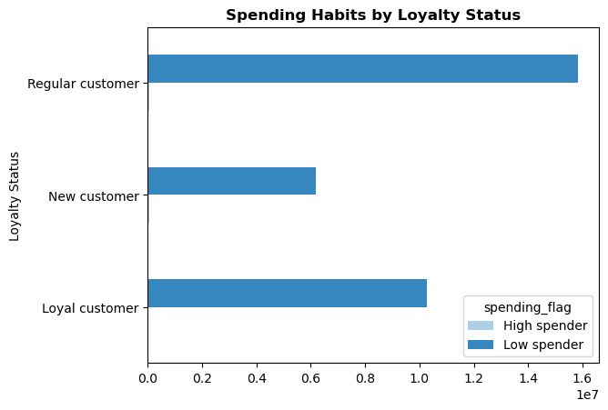
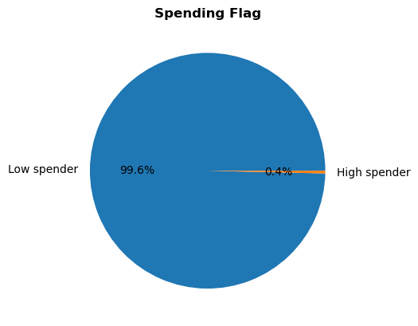

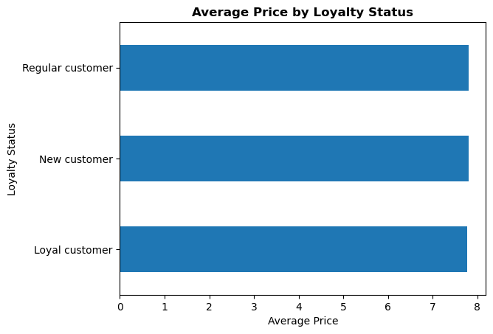
 |  |  | There is no significant difference in terms of the average money spent by each loyalty status (since almost all customers are dominated by low spenders). The average values above confirm the previous pie chart where the average price of low spenders is $7.79

Q7. Are there differences in ordering habits based on a customer’s region?

 |  |  | The pie chart shows that the majority of customers live in the South region which is almost twice as many as customers living in the Northeast region. |  |  |  |  | Just like the pie chart, the bar chart shows that the purchasing level of each department has the same pattern where the South dominates purchase orders in all departments which is in line with the number of customers living there.
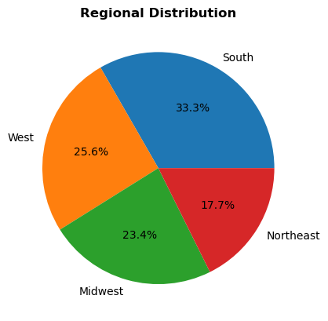
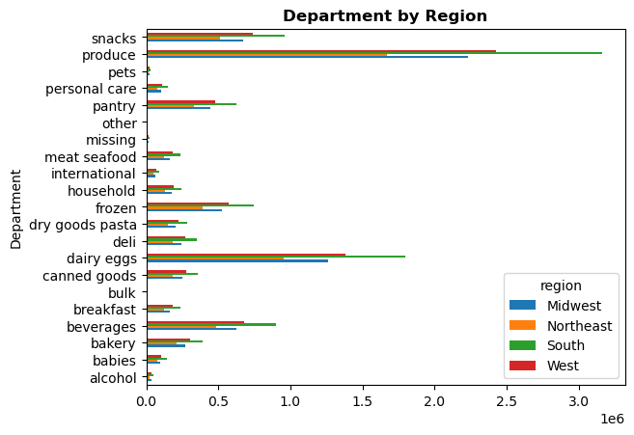

 |  |  |  | The tables show that: 1. Although South region has the highest total customer which is 33.3% in total, Midwest has higher percentage of high spender living in it 2. Although Midwest has the highest percentage of high spender customer, their loyality level (% loyal customer) is the least compared to other region. But it's interesting because the Midwest also has the highest percentage of new customers, meaning if Instacart can keep those new customers and make them loyal customers, then it would benefit them knowing the high percentage of high spenders they have as well

Q8. Is there a connection between age and family status in terms of ordering habits?

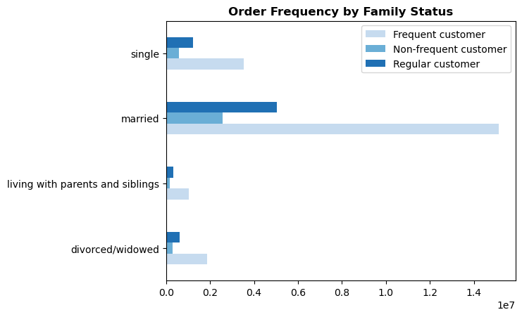
 |  |  | The bar chart shows that majority of customers come from people aged less than 30 years and over 70 years. Nonetheless, the spending flags for all age groups are the same, which is dominated by low spenders. |  |  |  |  | The bar chart shows that every family status tend to have the same pattern in terms of order frequency. Every family status is dominated by frequent customer (customers who tend to return during a short time period to buy other products). Frequent customer: median from days_since_prior_order is less than 10 days
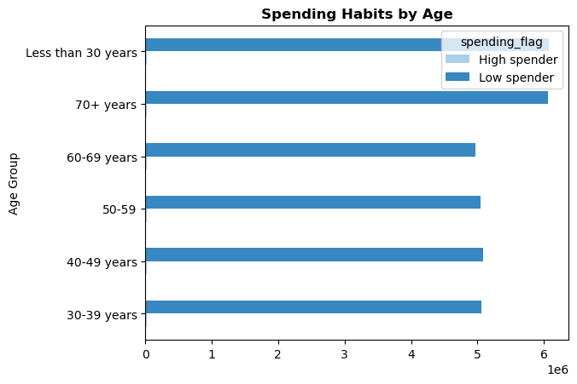

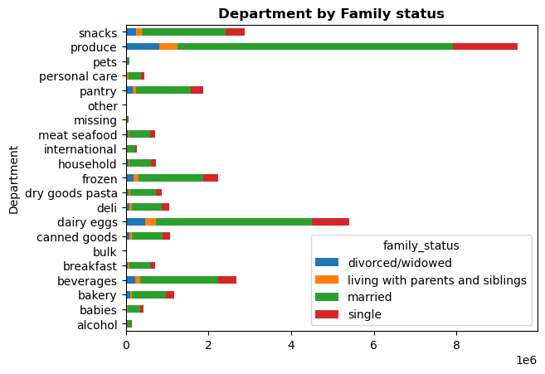
 |  |  | The stacked bar chart shows that the majority of customers are married and dominate all department categories.

Q9. What different classifications does the demographic information suggest? Age? Income? Certain types of goods? Family status?

 |  |  | Average Price: The bar chart shows that there is no significant difference in the average price spent between the moderate, high, and wealthy income groups with a yield of around 7.9. However, for customers from the low-income group, the average price they pay is lower than the other groups, which is around 7.2. |  |  |  |  | The bar chart shows that: 1. The majority of customers are married 2. The patterns of marriage and divorced/widowed are almost the same, dominated by high-income and wealthy people. This makes sense because both of these categories are mostly demonstrated by older people who may already have financial stability. And for married couples maybe they also have 2 incomes at the same time from both the wife and husband. 3. In contrast, the pattern of being single and living with parents and siblings is almost the same. The majority of their income is in the low-moderate group.
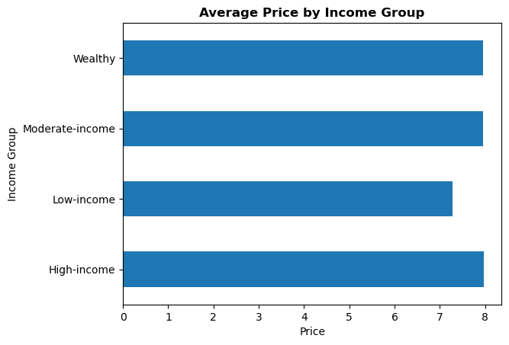
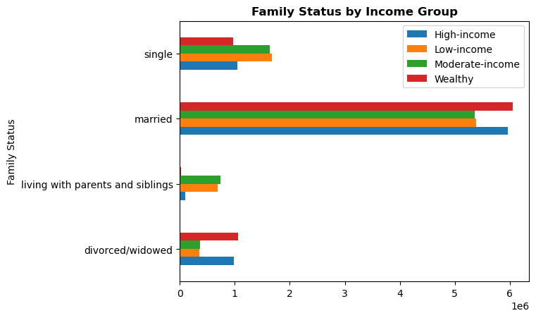

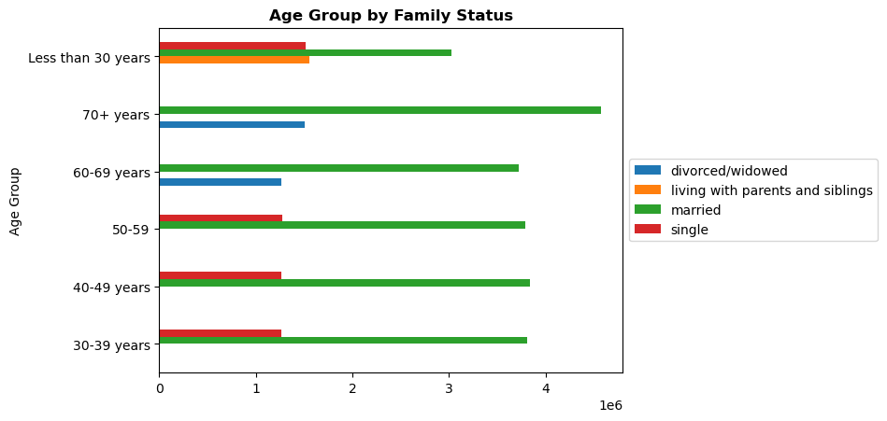

 |  |  | The bar chart shows that: 1. Married couples are spread evenly across all age groups 2. Now it even makes sense that young people (less than 30 years old) fall into the category of living with parents and siblings, therefore in the previous bar chart they seem to have a low-moderate income because maybe some of them are still students who didn't make much money |  |  | Relationship between Age and Income |  | The scatterplot shows that most of the people tend to have income under $200k as we can see from the density of the scatterplot. People aged above 40 start to generate more income between $200k - $300k and some of them even reach almost $600k. It is also interesting to see how none of the people under the age of 40 make more than $400k in their income

Conclusion: 1. Age: Through the answer from Q8, the majority of customers are from people less than 30 or over 70 years but in terms of spending habits all age groups are dominated by low spenders (meaning the average price of products purchased by users is lower than 10) 2. Income: There is no significant difference in the average price spent between the moderate, high, and wealthy income groups with a yield of around 7.9. However, for customers from the low-income group, the average price they pay is lower than the other groups, which is around 7.2 3. Certain types of goods: Through the answer from Q4, Produce, Dairy Eggs, and Snacks are the products that are most in demand by customers 4. Family status: Through the answers from Q8, I can see that 'married' not only dominates family status but also dominates purchases of items from all categories in the department

Q10. What differences can you find in ordering habits of different customer profiles? Consider the price of orders, the frequency of orders, the products customers are ordering, and anything else you can think of.

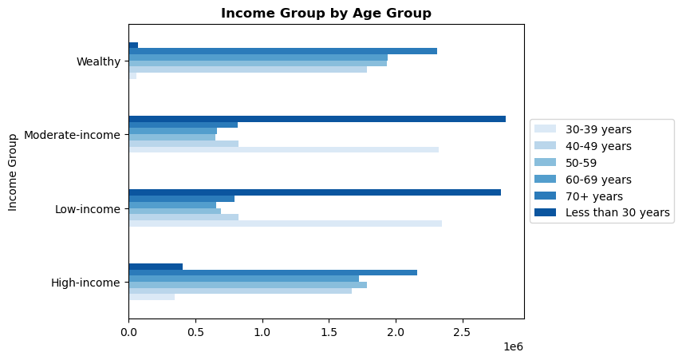
 |  |  |  |  |  |  | The bar chart shows that the majority of low-moderate income group come from the age group < 30 years and 30 - 39 years (I could say they are still young since majority still live with their parents). In contrast, people in the high-to-wealthy bracket come from the age group 70+ year olds. This makes sense since older people may already have their own businesses, pensions, 2 incomes (husband-wife), which brought them to financial stability
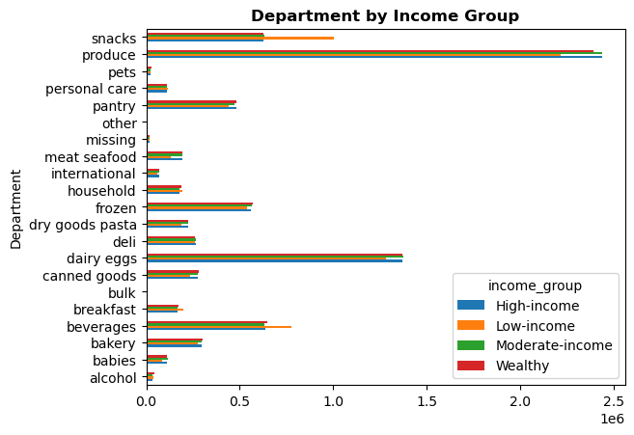

Through the two bar charts above, it can be seen that the distribution of department results according to income groups is fairly even, except for: 1. Snacks and Beverages: Both departments are dominated by low-income people, the majority of whom are young people and those in their 30s 2. In contrast, low-income people (young people and those in their 30s) contribute the least income to Produce, Meat Seafood, and Dairy Eggs departments

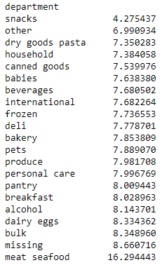
 | Average Price
 |  | Conclusion: 1. Price of orders: The average price of the low-income group is around 7.2 compared to other income groups which is about 7.9 on average. This makes sense, people with low incomes could have a tendency to buy something that is cheaper too 2. The frequency of orders: Through the answer from Q5, I can see that most of the frequent customers come from regular to loyal loyal status. Conversely, non-frequent customers come from customers with new status. I could say that this makes sense as it should be 3. The products customers are ordering: Snacks and Beverages are dominated by low-income group customers where the price of snacks itself is the cheapest compared to other departments, including beverages which are also quite cheap compared to others. Then I could conclude why the average price spent by customers who are from the low income group is lower (7.2) than the rest (7.9) because this group dominates the snack department (cheapest price). Also customers who are from low-income group contributes the least income for Produce, Dairy Eggs, and Meat Seafood. This may have some relationship with the price because the average price coming from these 3 departments is more expensive compared to the other departments.

7. Recommendations
 |  | Title Page

Recommendations

In this tab you should include any recommendations you would made to Instcart in terms of their marketing strategy based on the questions posed in the brief. Every key question has been covered in the Tasks of the Exercises - here you need to add an item - a visualisation or table/crosstable that is showing the answer in the data, acompanied by a comment from you. Please, list the questions below and add the answer underneath.

Questions | Recommendations
Visualization Q1 | Question 1: The sales team needs to know what the busiest days of the week and hours of the day are (i.e., the days and times with the most orders) in order to schedule ads at times when there are fewer orders. Busy hours: 09:00 AM till 04:00 PM Busy days: Friday, Saturday, and Sunday Recommendations: 1. Place some ads at the end of peak hours (or at the end of the work day) around 4:00pm/5:00pm. When people are mentally tired from work, they become more vulnerable to advertising because some people may not think as hard and just want to get something on the offer/discount that day Research also shows that customers are more likely to engage with ads when they are tired and when they do feel tired, they are more vulnerable 2. During lunch (which also includes rush hour): People may take a break and check their phones and be active as consumers, this would be a good time to advertise when a customer is about to make a decision to buy something 3. Place more ads over the weekend
Visualization Q2 | Question 2: They also want to know whether there are particular times of the day when people spend the most money, as this might inform the type of products they advertise at these times. Higher-priced items tend to sell earlier in the morning between 02:00 AM and 07:00 AM and lower prices around 09:00 AM and 10:00 AM. The error band between 02:00 AM and 07:00 AM is also larger, which indicates a variation in the selling price. Recommendations: 1. There is at least a greater variation in selling prices in the morning. In these times people might prepare so many things to start their day like breakfast, food for their lunch. From the variation in prices, we could do further research to find out what types of products are most likely to sell earlier in the morning which have higher prices
Visualization Q3 | Question 3: Instacart has a lot of products with different price tags. Marketing and sales want to use simpler price range groupings to help direct their efforts. Price Groupings: Low-range product: $0.00 to $5.00 Mid-range product: $5.01 to $15.00 High-range product: $15.00 and above The price group is dominated by Mid-range product with 67.5% in total
Visualization Q4 | Question 4: Are there certain types of products that are more popular than others? The marketing and sales teams want to know which departments have the highest frequency of product orders. Produce, Dairy Eggs, and Snacks are in high demand compared to other departments. Recommendations: 1. If possible, Instacart can increase the range of products from this department through its partnership with supermarkets etc. 2. Add more ads for the three departments
Visualization Q5 | Question 5: What’s the distribution among users in regards to their brand loyalty (i.e., how often do they return to Instacart)? Note: Frequent customer: median from days_since_prior_order is less than 10 days - New customer status: Mostly non-frequent customer - Regular - Loyal customer status: Mostly frequent customer Therefore, regular and loyal customers tend to return in a short time to buy other products. Loyal customer: About 5 days Regular customer: About 9 days New customer: About 17 days Recommendations: 1. For new customer status Instacart can provide some big discounts in advance as an enticement to already use Instacart, this can help give a good impression of Instacart 2.. Provide time-limited coupons/discounts for three high-demand departments (Produce, Dairy Eggs, and Snacks), if possible, especially for those new customers. By giving them a limited discount that can be redeemed within a week, it is expected to increase their frequency of repurchasing items on Instacart from an average of 17 days to under 10 days 3. Personal ads that refer to purchases or searching history
Visualization Q6 | Question 6: Are there differences in ordering habits based on a customer’s loyalty status? It seems that loyalty status doesn't really affect customers' spending habits. The majority of customers from all loyalty statuses (new, regular, loyal) are dominated by low spender (meaning the average price of the product purchased by the user is lower than 10) Recommendation: 1. Although 99.6% of customers come from the low spending group, Intacart could do another way by focusing on the frequency of orders by retaining new customers to become regular customers and regular customer status to become loyal by following a number of recommendations from Q5
Visualization Q7 | Question 7: Are there differences in ordering habits based on a customer’s region? 1. South region has the highest total customer which is 33.3% in total 2. Midwest has higher percentage of high spender living in it 3. Although Midwest has the highest percentage of high spender customer, their loyality level (% loyal customer) is the least compared to other region 4. Midwest also has the highest percentage of new customers Recommendations: 1. Pay more attention to the Midwest region with retaining their customers and set a target to increase the percentage of loyal customers to at least 32% like the percentage in the Northeast and West. It would be advantageous knwing the high percentage of high spenders they have too 2. Since Instacart's headquarters are located in California which is part of the West region, placing more ads in the West region (eg: downtown etc.) would be a good idea. Research shows that customers may become loyal to regional products (or the companies around them) as part of their awareness. The West Region also already has a high percentage of loyal customers, but trying this idea might help increase that percentage even more
Visualization Q8 | Question 8: Is there a connection between age and family status in terms of ordering habits? 1. The majority of customers come from people aged less than 30 years and over 70 years 2. The majority of customers are married 3. Every family status is dominated by frequent customer (customers who tend to return during a short time period to buy other products) Recommendations: 1. Since the majority of customers are less than 30 years old and more than 70 years old, so we can add some more ads from the snack department. This department is dominated by low-income people (answers from Q10), and the majority of low-income people are those who are less than 30 years old (answers from Q10). Therefore, adding ads about snacks can help increase revenue knowing that the snack department is also in the top 3 favorite departments 2. Added advertisements in terms of healthy food (part of the Produce and Dairy Eggs department). People over the age of 70 will be more careful when it comes to food and may make healthy choices for their health as well
Visualization Q9 | Question 9: What different classifications does the demographic information suggest? Age? Income? Certain types of goods? Family status? 1. Age: Through the answer from Q8, the majority of customers are from people less than 30 or over 70 years but in terms of spending habits all age groups are dominated by low spenders (meaning the average price of products purchased by users is lower than 10) 2. Income: There is no significant difference in the average price spent between the moderate, high, and wealthy income groups with a yield of around 7.9. However, for customers from the low-income group, the average price they pay is lower than the other groups, which is around 7.2 3. Certain types of goods: Through the answer from Q4, Produce, Dairy Eggs, and Snacks are the products that are most in demand by customers 4. Family status: Through the answers from Q8, it shows that 'married' not only dominates family status but also dominates purchases of items from all categories in the department Recommendations: 1. Since 'married' dominates all categories in the department, it's a good idea to offer more products with buy one get one free or a discount for buying two of the same product at once, or a discount on family package
Visualization Q10 | Question 10: What differences can you find in ordering habits of different customer profiles? Consider the price of orders, the frequency of orders, the products customers are ordering, and anything else you can think of. 1. Price of orders: The average price of the low-income group is around 7.2 compared to other income groups which is about 7.9 on average. This makes sense, people with low incomes could have a tendency to buy something that is cheaper too 2. The frequency of orders: Through the answer from Q5, I can see that most of the frequent customers come from regular to loyal loyal status. Conversely, non-frequent customers come from customers with new status 3. The products customers are ordering: Snacks and Beverages are dominated by low-income group customers where the price of snacks itself is the cheapest compared to other departments, including beverages which are also quite cheap compared to others. Then I could conclude why the average price spent by customers who are from the low income group is lower (7.2) than the rest (7.9) because this group dominates the snack department (cheapest price). Also customers who are from low-income group contributes the least income for Produce, Dairy Eggs, and Meat Seafood. This may have some relationship with the price because the average price coming from these 3 departments is more expensive compared to the other departments Recommendations: 1. The low income group (the majority are under 30 years old) contribute the least income to Produce, Dairy Eggs and Meat Seafood because the prices of these 3 departments are also expensive. My assumption is they might prefer to buy something cheaper because of their income. Therefore, adding some promotions/discounts for these 3 departments when there are events/holidays would be a good idea. They might consider buying it when they find the prices are lower than usual (specifically Produce and Dairy Eggs, top 2 favorite departments) 2. The reason for recommendat

